Main
 | IVAO Ecuador - Guayaquil ACC
 |  | Quickview for ATC


Date | Version | Changes | By
2020-05-28 | v1.0 | Initial Release | Eddy Gamboa (257054)
2020-05-31 | v1.1 | Added SEJD, SEMC, SENL, SERO, SESA SESM | Eddy Gamboa (257054)
2020-06-04 | v 1.11 | Minor changes | Eddy Gamboa (257054)
2020-06-20 | v 1.2 | AIRAC 2007 update | Eddy Gamboa (257054)

SEQM
 |  |  |  |  | Quito Mariscal Sucre (SEQM)
SID |  |  | Communications |  |  | Airfield Informations | STAR
 |  |  | SEQM_GND : Quito Ground |  | 121.900 | Elevation : 7910 ft
RWY 36 | RNAV | Remarks | SEQM_TWR : Quito Tower |  | 118.100 | Latitude : S00° 07'30" | RWY 18 | RNAV | IAF | Alt Ini/IAF (ft) | Remarks
ANBAL 2 |  |  | SEQM_APP : Quito Approach |  | 119.700 | Longitude : W078° 21'18" | NEGAL | X | ILPEX | 17000/13000 | via QM099 15000 ft
ARNOK 3 |  |  | SEFG_CTR : Guayaquil Control |  | 128.300 | TA : 18000 ft | PALAD |  |  | 17000/13000
ARNOK 2A | X |  | Navaids |  |  |  | MIDEX |  |  | 18000/13000 | via LOVPU 15000 ft
QIT 2 |  |  | QSV | 116.8 | OLM (NDB) | 400 | ORETA |  |  | 18000/13000
KETOM 2A | X |  | QIT | 115.3 | IQS (ILS 36) | 109.3 | TEMOX |  |  | 18000/13000
KETOM 2B | X |  | QNV | 117.4 | IQN (ILS 18) | 111.1 | PAMIS |  |  | 18000/13000
MIDEX 3A | X |  |  |  |  |  | REBEK |  |  | FL220/13000 | Via SINER FL200 then LOVPU 15000ft
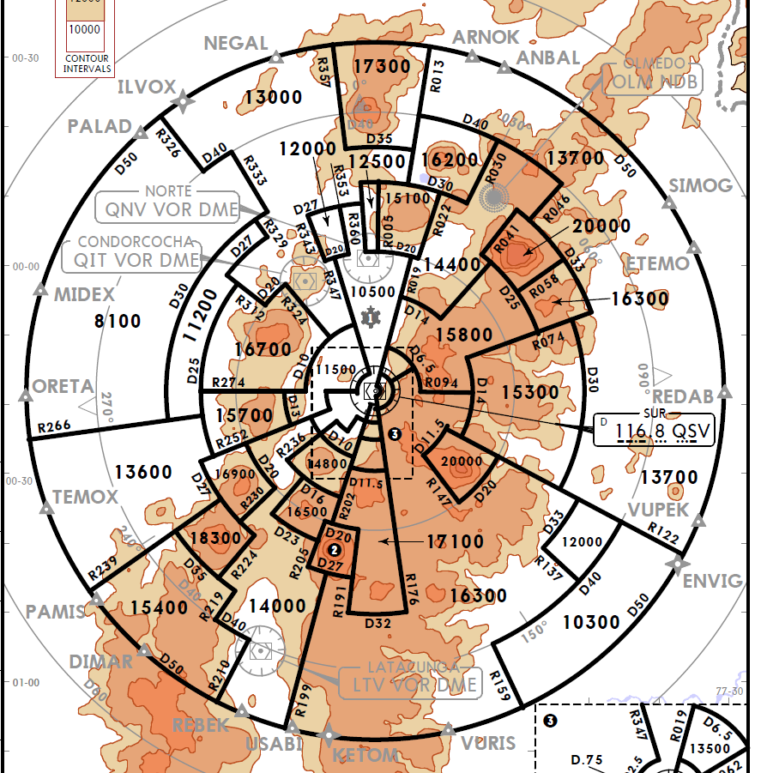
MIDEX 3B | X |  |  |  |  |  | USABI |  |  | FL210/13000
MIDEX 2C |  |  |  |  |  |  | KETOM |  |  | FL220/13000
ORETA 1C
ORETA 2A | X |  |  |  |  |  | Approach procedures
ORETA 2B | X
TEMOX 1C |  |  |  |  |  |  | RWY | Type | IAF | Alt IAF/IF (ft) | Remarks
TEMOX 2A | X |  |  |  |  |  | 18 | ILS Z | DEVEV | 16000/10300 | HDG 152 to QNV
TEMOX 2B | X |  |  |  |  |  | 18 | ILS Y | QIT | 18000/10300 | 11500 ft at D8 QIT
NEGAL 1 |  |  |  |  |  |  | 36 | ILS Z | QIT | 18000/10500 | 14200 ft at D19 QIT
NEGAL 2A | X |  |  |  |  |  | 36 | ILS Y | EDMAL | 15000/10500 | HDG 024 to QSV
PALAD 3 |  |  |  |  |  |  | 36 | ILS X | QNV | 18000/10500
PALAD 3A | X |  |  |  |  |  | 36 | ILS W | TIPLU | 12000/10500 | HDG 040 to QSV
REBEK 2A |  |  |  |  |  |  | 18 | RNP 1Z | ILPEX | 13000/9100 | FAP TELAL
REBEK 2B |  |  |  |  |  |  | 18 | RNP 1Y | EGESU/UTPEK | FL190/10800 | CAT C
SIMOG 3 |  |  |  |  |  |  | 36 | RNP 1Z | EGESU | FL190/11100 | IF EGOVU
VURIS 2 | X |  |  |  |  |  | 36 | RNP 1Y | UTPEK | FL190/11100
RWY 18 | RNAV | Remarks |  |  |  |  | 36 | RNP 1X | QIT | 17000/11100
QIT 3A |  |  |  |  |  |  | 36 | RNP 1W | EGESU/UTPEK | FL190/11200 | IF QM033 CAT C
 |  |  |  |  |  |  | 36 | RNP 1T | ILPEX | 15000/11200 | IF GEDAN CAT C
 |  |  |  |  |  |  | 36 | RNP 1S | ESBEN | FL190/11200 | IF QM033 CAT C
 |  |  |  |  |  |  | 18 | VOR Z | MOXEP | 14000/10400 | HDG 174 to QNV
 |  |  |  |  |  |  | 18 | VOR Y | QNV | 17000/10400
 |  |  |  |  |  |  | 36 | VOR Z | QIT | 18000/11100
 |  |  |  |  |  |  | 36 | VOR Y | EDMAL | 15000/11100
 |  |  |  |  |  |  | 36 | VOR X | QNV | 18000/11100

SESM
Shell Rio Amazonas (SESM)

SID |  |  | Communications |  |  | Airfield Informations | Approach procedures
 |  |  | SESM_TWR : Shell Tower |  | 122.600 | Elevation : 3464 ft
RWY 12 | RNAV | Remarks | SESM_APP : Shell Approach |  | 119.500 | Latitude : S01° 30'18" | RWY | Type | IAF | Alt IAF/IF (ft) | Remarks
ANRAD 1A |  |  | SEFG_CTR : Guayaquil Control |  | 128.300 | Longitude : W078° 03'48" | 30 | VOR Z | PAV | 6000/- | Cat A, B
ANRAD 1B |  |  |  |  |  | TA : 6000 ft | 30 | VOR Y | D10 PAV | 6000 to FL090/- | Cat A, B
ASIBU 1A |  |  | Navaids |  |  |  | 30 | VOR X | PAV | 6000/-
ASIBU 1B |  |  | PAV | 113.1 | JUV | 114.3 | 30 | NDB | PTZ | 6000/-
ATEKI 1A |  |  | MSV | 112.5 | PTZ NDB | 340
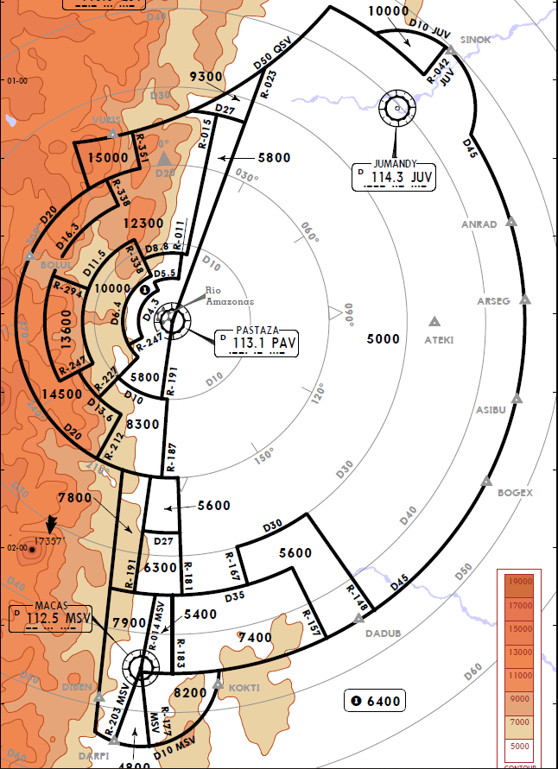
ATEKI 1B
JUMANDY 1A (JUV 1A)
JUMANDY 1B (JUV 1B)
BOGEX 1A
BOGEX 1B
DADUB 1A
DADUB 1B
KOKTI 1A
KOKTI 1B
MACAS 1A (MSV 1A)
MACAS 1B (MSV 1B)
PASTAZA VOR 2A (PAV 2A)
PASTAZA NDB 1B (PTZ 1B)

